Released Since the Last Komplet
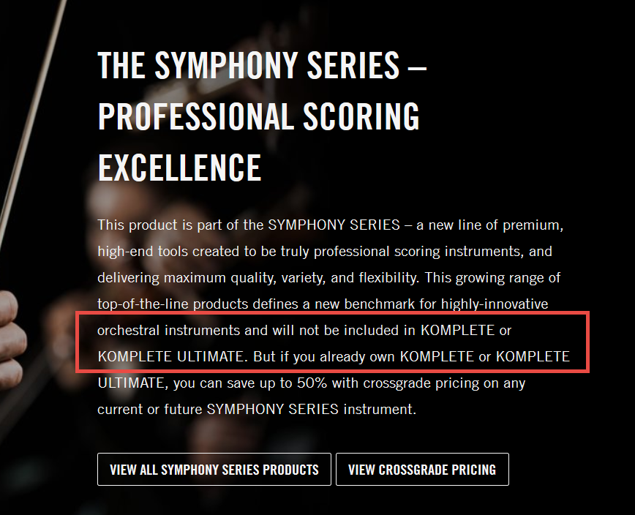
Product | Format | Release Date | MSRP (USD) | Announcement | Note
Replika | DP | 2014-12-18 | $49 | http://rekkerd.org/native-instruments-releases-free-replika-delay-effect-plugin/
Strummed Acoustic | KI | 2015-01-19 | $99 | http://rekkerd.org/native-instruments-releases-session-guitarist-strummed-acoustic/
Emotive Strings | KI | 2015-02-19 | $299 | http://rekkerd.org/native-instruments-releases-emotive-strings-for-kontakt/
Symphony Series - Brass Collection | KI | 2015-07-15 | $499 | http://www.kvraudio.com/news/soundiron-and-native-instruments-release-symphony-series-brass-collection-30465 | Won't be in Komplete 11 *
Symphony Series - Brass Ensemble | KI | 2015-07-15 | $399 | http://rekkerd.org/native-instruments-releases-symphony-series-brass-ensemble-brass-solo/ | Won't be in Komplete 11 *
Symphony Series - Brass Solo | KI | 2015-07-15 | $299 | http://rekkerd.org/native-instruments-releases-symphony-series-brass-ensemble-brass-solo/ | Won't be in Komplete 11 *
Reaktor 6 | SA,DP | 2015-09-09 | $199 | http://rekkerd.org/native-instruments-releases-reaktor-6/
Symphony Series - String Ensemble | KI | 2015-11-03 | $499 | http://rekkerd.org/native-instruments-releases-symphony-series-string-ensemble-for-kontakt/ | Won't be in Komplete 11 *
Flesh | RI | 2015-11-17 | $99 | http://rekkerd.org/native-instruments-releases-flesh-reaktor-instrument-by-tim-exile/
Una Corda | KI | 2015-12-14 | $149 | http://rekkerd.org/native-instruments-releases-una-corda-for-upright-piano-kontakt/
Discovery Series - India | KI | 2016-01-25 | $99 | http://rekkerd.org/native-instruments-releases-discovery-series-india/
Replika XT | DP | 5/10/2016 | $99 | http://rekkerd.org/native-instruments-releases-replika-xt-delay-plugin/
Symphony Series - Woodwind Collection | KI | 6/14/2016 | $499 | http://rekkerd.org/symphony-series-woodwind-ensemble-woodwind-solo-by-native-instruments/ | Won't be in Komplete 11 *
Symphony Series - Woodwind Ensemble | KI | 6/14/2016 | $399 | http://rekkerd.org/symphony-series-woodwind-ensemble-woodwind-solo-by-native-instruments/ | Won't be in Komplete 11 *
Symphony Series - Woodwind Solo | KI | 6/14/2016 | $299 | http://rekkerd.org/symphony-series-woodwind-ensemble-woodwind-solo-by-native-instruments/ | Won't be in Komplete 11 *
Session Guitarist Strummed Acoustic 2 | KI | 11/16/2016 | $99 | https://rekkerd.org/native-instruments-releases-session-guitarist-strummed-acoustics-2/
Thrill | KI | 5/30/2017 | $299 | https://rekkerd.org/thrill-real-time-cinematic-tension-instrument-by-native-instruments-released/
Kinetic Toys | KI | 6/21/2017 | $99 | https://rekkerd.org/kinetic-toys-creates-musical-leads-and-soundscapes-from-vintage-toy-recordings/
Symphony Essentials Collection | KI | 8/15/2017 | $399 | https://www.native-instruments.com/en/products/komplete/cinematic/symphony-essentials-collection/
Symphony Series Collection | KI | 8/15/2017 | $999 | https://www.native-instruments.com/en/products/komplete/cinematic/symphony-series-collection/ | Won't be in Komplete 12 *
Symphony Essentials Percussion | KI | 8/15/2017 | $99 | https://www.native-instruments.com/en/products/komplete/cinematic/symphony-series-percussion/
Symphony Series Percussion | KI | 8/15/2017 | $299 | https://www.native-instruments.com/en/products/komplete/cinematic/symphony-series-percussion/ | Won't be in Komplete 12 *
Mod Pack Effects Series | DP | 2/1/2018 | $69 | https://www.gearslutz.com/board/product-alerts-older-than-2-months/1200206-native-instruments-releases-effects-series-mod-pack.html
Session Guitarist Electric Sunburst | KI | 2/22/2018 | $99 | https://www.musicradar.com/news/who-needs-a-gibson-les-paul-when-youve-got-nis-electric-sunburst-session-guitarist
Session Strings 2 | KI | 5/16/2018 | $99 | https://www.gearslutz.com/board/new-product-alert/1215825-native-instruments-releases-session-strings-2-pro2-new-contemporary-ensemble.html
Session Strings Pro 2 | KI | 5/16/2018 | $299 | https://www.gearslutz.com/board/new-product-alert/1215825-native-instruments-releases-session-strings-2-pro2-new-contemporary-ensemble.html
TRK-01 | RI | 5/29/2018 | $99 | https://sonicstate.com/news/2018/05/29/reaktor-instrument-takes-new-approach-to-creative-kick-and-bass/
Crush Pack Effects Series | DP | 6/14/2018 | $69 | https://www.native-instruments.com/forum/threads/announcing-effects-series-crush-pack.330439/
Discovery Series - Middle East | KI | 6/21/2018 | $99 | https://www.kvraudio.com/news/native-instruments-releases-discovery-series-middle-east-and-updates-kontakt-to-v5-8-1-41679
 |  |  |  | * From the Brass Collection product page: | * NOTE: Confirmed that Komplete Ultimate 11 includes a "symphony essentials" package that includes versions of the Symphony Series instruments with a "reduced sample set"...

