Released since K13
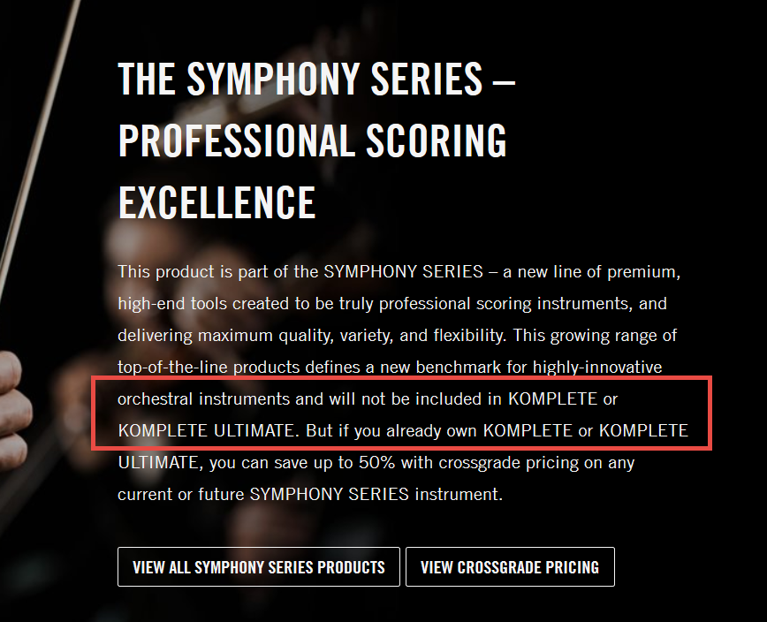
Status | Product | Format | Release Date | MSRP (USD) | Announcement | Note
Previously new; have been | Replika | DP | 2014-12-18 | $49 | http://rekkerd.org/native-instruments-releases-free-replika-delay-effect-plugin/
released in a Komplete bundle | Strummed Acoustic | KI | 2015-01-19 | $99 | http://rekkerd.org/native-instruments-releases-session-guitarist-strummed-acoustic/
 | Emotive Strings | KI | 2015-02-19 | $299 | http://rekkerd.org/native-instruments-releases-emotive-strings-for-kontakt/
 | Symphony Series - Brass Collection | KI | 2015-07-15 | $499 | http://www.kvraudio.com/news/soundiron-and-native-instruments-release-symphony-series-brass-collection-30465 | Won't be in Komplete 11 *
 | Symphony Series - Brass Ensemble | KI | 2015-07-15 | $399 | http://rekkerd.org/native-instruments-releases-symphony-series-brass-ensemble-brass-solo/ | Won't be in Komplete 11 *
 | Symphony Series - Brass Solo | KI | 2015-07-15 | $299 | http://rekkerd.org/native-instruments-releases-symphony-series-brass-ensemble-brass-solo/ | Won't be in Komplete 11 *
 | Reaktor 6 | SA,DP | 2015-09-09 | $199 | http://rekkerd.org/native-instruments-releases-reaktor-6/
 | Symphony Series - String Ensemble | KI | 2015-11-03 | $499 | http://rekkerd.org/native-instruments-releases-symphony-series-string-ensemble-for-kontakt/ | Won't be in Komplete 11 *
 | Flesh | RI | 2015-11-17 | $99 | http://rekkerd.org/native-instruments-releases-flesh-reaktor-instrument-by-tim-exile/
 | Una Corda | KI | 2015-12-14 | $149 | http://rekkerd.org/native-instruments-releases-una-corda-for-upright-piano-kontakt/
 | Discovery Series - India | KI | 2016-01-25 | $99 | http://rekkerd.org/native-instruments-releases-discovery-series-india/
 | Replika XT | DP | 5/10/2016 | $99 | http://rekkerd.org/native-instruments-releases-replika-xt-delay-plugin/
 | Symphony Series - Woodwind Collection | KI | 6/14/2016 | $499 | http://rekkerd.org/symphony-series-woodwind-ensemble-woodwind-solo-by-native-instruments/ | Won't be in Komplete 11 *
 | Symphony Series - Woodwind Ensemble | KI | 6/14/2016 | $399 | http://rekkerd.org/symphony-series-woodwind-ensemble-woodwind-solo-by-native-instruments/ | Won't be in Komplete 11 *
 | Symphony Series - Woodwind Solo | KI | 6/14/2016 | $299 | http://rekkerd.org/symphony-series-woodwind-ensemble-woodwind-solo-by-native-instruments/ | Won't be in Komplete 11 *
 | Session Guitarist Strummed Acoustic 2 | KI | 2016-11-16 | $99 | https://rekkerd.org/native-instruments-releases-session-guitarist-strummed-acoustics-2/
 | Thrill | KI | 2017-05-30 | $299 | https://rekkerd.org/thrill-real-time-cinematic-tension-instrument-by-native-instruments-released/
 | Kinetic Toys | KI | 2017-06-21 | $99 | https://rekkerd.org/kinetic-toys-creates-musical-leads-and-soundscapes-from-vintage-toy-recordings/
 | Symphony Essentials Collection | KI | 2017-08-15 | $399 | https://www.native-instruments.com/en/products/komplete/cinematic/symphony-essentials-collection/
 | Symphony Series Collection | KI | 2017-08-15 | $999 | https://www.native-instruments.com/en/products/komplete/cinematic/symphony-series-collection/
 | Symphony Essentials Percussion | KI | 2017-08-15 | $99 | https://www.native-instruments.com/en/products/komplete/cinematic/symphony-series-percussion/
 | Symphony Series Percussion | KI | 2017-08-15 | $299 | https://www.native-instruments.com/en/products/komplete/cinematic/symphony-series-percussion/
 | Mod Pack Effects Series | DP | 2018-02-01 | $69 | https://www.gearslutz.com/board/product-alerts-older-than-2-months/1200206-native-instruments-releases-effects-series-mod-pack.html
 | Session Guitarist Electric Sunburst | KI | 2018-02-22 | $99 | https://www.musicradar.com/news/who-needs-a-gibson-les-paul-when-youve-got-nis-electric-sunburst-session-guitarist
 | Session Strings 2 | KI | 2018-05-16 | $99 | https://www.gearslutz.com/board/new-product-alert/1215825-native-instruments-releases-session-strings-2-pro2-new-contemporary-ensemble.html
 | Session Strings Pro 2 | KI | 2018-05-16 | $299 | https://www.gearslutz.com/board/new-product-alert/1215825-native-instruments-releases-session-strings-2-pro2-new-contemporary-ensemble.html
 | TRK-01 | RI | 2018-05-29 | $99 | https://sonicstate.com/news/2018/05/29/reaktor-instrument-takes-new-approach-to-creative-kick-and-bass/
 | Crush Pack Effects Series | DP | 2018-06-14 | $69 | https://www.native-instruments.com/forum/threads/announcing-effects-series-crush-pack.330439/
 | Discovery Series - Middle East | KI | 2018-06-21 | $99 | https://www.kvraudio.com/news/native-instruments-releases-discovery-series-middle-east-and-updates-kontakt-to-v5-8-1-41679
 | Mallet Flux | KI |  | $199
 | Aquarius Earth | EX |  | $49
 | District Xeo | EX |  | $49
 | Noire | KI |  | $149
 | Indigo Dust | EX |  | $49
 | Super 8 | KI |  | $69
 | Lockdown Grind | EX |  | $49
 | Modular Icons | KI |  | $49 |  | Play Series
 | Analog Dreams | KI |  | $49 |  | Play Series; included with Kontakt 6
 | Hybrid Keys | KI |  | $49 |  | Play Series; included with Kontakt 6
 | Ethereal Earth | KI |  | $49 |  | Play Series; included with Kontakt 6
 | Straylight | KI |  | $149
 | Opaline Drift | EX |  | $49
 | Warped Symentry | EX |  | $49
 | Pure Drip | EX |  | $49
 | Session Guitarist Picked Acoustic | KI |  | $99
 | Chromatic Fire | EX |  | free |  | free for Maschine users; given away in August 2019
 | Faded Reel | EX |  | $49
 | Mysteria | KI |  | $299
 | Lo-Fi Glow | KI |  | $49
 | Raum | DP |  | $49
 | DJ Khalil | EX |  | $49
 | Magnetic Coast | EX |  | $49
 | The Stereotypes | EX |  | $49
 | Ignition Code | EX |  | $49
 | Session Guitarist - Electric Sunburst Deluxe | KI |  | $149
 | Rush | MX |  | $29
 | Pulse | MX |  | $29
 | Scene | MX |  | $29
New and not yet released
in any Komplete bundle

