Sheet1
Hostage Survival Probability Model - Predictive Equation

Change the X factor values to match the current hostage situation. Use the HSPM Quantification Strategy document to guide your coding of each variable. The number three (3) should be used if you are uncertain of the status of a current variable.
Variable | Discriminant |  | Insert | Iterative
Definition | Variable | b Value | X Factor | Score
Constant - DO NOT CHANGE | a | 11.34 | 1 | 11.34
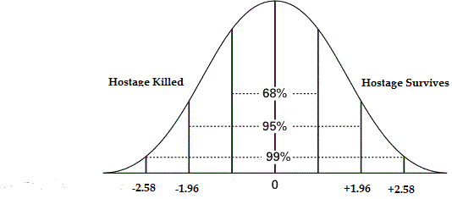
Survival Disposition of the Subject
Flight Desire | x1 | 0.9094 | 2 | 1.8188
Situational Control | x2 | -0.7237 | 3 | -2.1711
Subject Fearless | x3 | 0.0703 | 1 | 0.0703
Subject Senses Doom | x4 | -0.4642 | 2 | -0.9284
Subject Suicidal | x5 | 1.119 | 2 | 2.238
Mental Illness
Delusional | x6 | -1.678 | 1 | -1.678
Subject Hears Voices | x7 | 0.2191 | 1 | 0.2191
Mental Impairment | x8 | -0.4881 | 1 | -0.4881
Hostage Provokes | x9 | -0.8838 | 1 | -0.8838
Violence History | x10 | -0.3635 | 1 | -0.3635
Suicide History | x11 | 0.6364 | 1 | 0.6364
Subject’s Violence Motivation
Religious Motivation | x12 | 0.331 | 1 | 0.331
Crime Incident | x13 | -0.3265 | 1 | -0.3265 | Survival Score
Terrorism | x14 | -0.3737 | 1 | -0.3737 | 3.3745
Compare the value of the Survival Score to the range of Z ratio values along the bottom of the graph. If the Survival Score is between -1.96 and -2.58, then there is a 95% chance of the hostage being killed, given the value of the variables in the current situation. Changing the values in Column D may improve the survival probability of the situation and enhance the tactical perrogatives available to the SWAT Team . Conversely, if the Survival Score is +1.96 to +2.58, then the probability of hostage surviving is greater than 95%. Survival scores less than 1.96, on either side of the mean, may still be interpreted as being indicative of the probability of the outcome, but to a lesser degree than the 95% probability level. A Survival Score of - 1.25 for example would still indicate a probability of death to the hostage, but not at the 95% level of certainty. Values for each X factor may be changed on the spreadsheet to see how it may effect the Survival Score for the situation before such actions are actually initiated at the scene. In some cases, a combination of actions may be the most effective strategy to enhance the probability of changing the Survival Score to a positive value.
Revenge | x15 | 0.277 | 1 | 0.277
Situation Violence
Killed Hostage | x16 | -11.0514 | 1 | -11.0514
Verbal Threats | x17 | 1.2792 | 1 | 1.2792
Restrained Hostage | x18 | 0.6403 | 1 | 0.6403
Hostage Bravado | x19 | 0.4983 | 1 | 0.4983
Calming Force | x20 | -0.4069 | 2 | -0.8138
Situational Demography
Subject’s Ethnicity | x21 | -0.1956 | 2 | -0.3912
Subject’s Gender | x22 | 0.6259 | 2 | 1.2518
Hostage Gender | x23 | 0.1447 | 3 | 0.4341
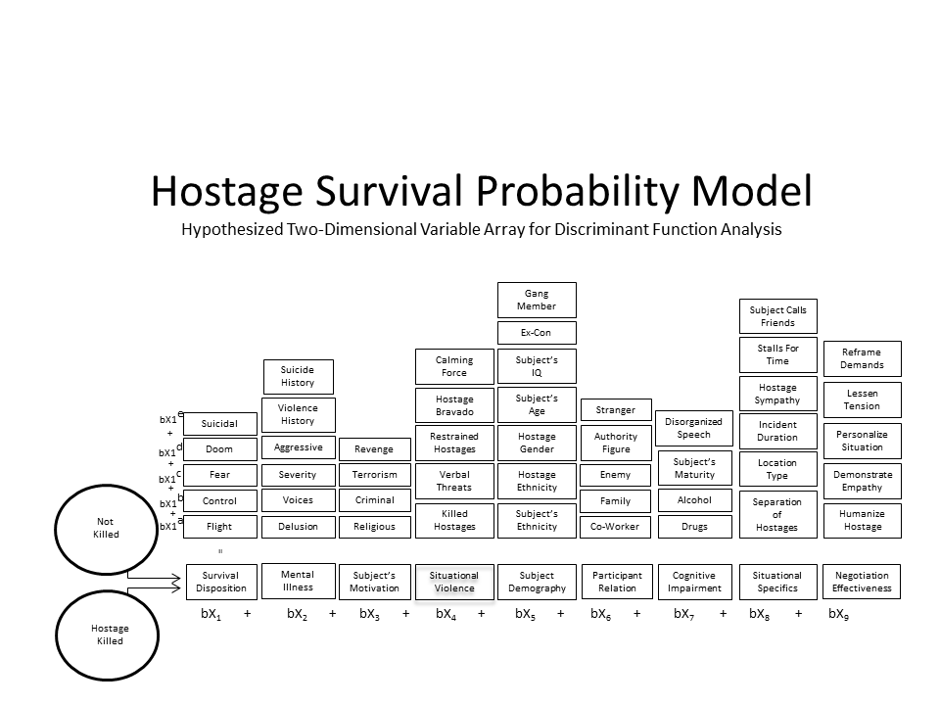
Subject’s Age | x24 | -0.0348 | 19 | -0.6612
Subject’s IQ | x25 | 0.2665 | 1 | 0.2665
Subject Ex-Con | x26 | -0.1089 | 1 | -0.1089
Subject Gang Member | x27 | 0.0036 | 2 | 0.0072
Participant Relation
Hostage Co-Worker | x28 | 1.1404 | 1 | 1.1404
Hostage is Family | x29 | -0.4839 | 1 | -0.4839
Hostage is Enemy | x30 | 0.7889 | 1 | 0.7889
Authority Figure | x31 | -3.4146 | 1 | -3.4146
Hostage is Stranger | x32 | 1.0765 | 2 | 2.153
Cognitive Impairment
Subject on Drugs | x33 | 0.0514 | 1 | 0.0514
Subject on Alcohol | x34 | -0.5934 | 1 | -0.5934
Subject’s Maturity | x35 | 0.0197 | 2 | 0.0394
Disorganized Speech | x36 | 0.44 | 1 | 0.44
Situational Specifics
Separated Hostages | x37 | -0.015 | 1 | -0.015
Location Type | x38 | 0.8934 | 1 | 0.8934
Incident Duration | x39 | 0.0238 | 6 | 0.1428
Stalls for Time | x40 | 0.3588 | 1 | 0.3588
Subject Calls Friend | x41 | -0.5309 | 1 | -0.5309
Negotiation Effectiveness
Dehumanize Hostage | x42 | -0.7554 | 1 | -0.7554
Absence of Empathy | x43 | 1.1554 | 2 | 2.3108
Personalize Situation | x44 | 0.0329 | 1 | 0.0329
Lessen Tension | x45 | -0.2525 | 1 | -0.2525

